Bug Closure
Issue ID | Title | Step Description | Created Time | Status
1 | WIFI module is not onboarded,press "Delay" and "Pre-Wash" buttons together, front panel shows SE for 10 secs and automatically cleared | 1. WIFI module is not onboarded 2. Press "Delay" and "Pre-Wash" buttons together, check front panel | 2020-08-19 | Closed
2 | WIFI module is successfully onboarded, then Change the password of the router to which the WIFI module is connected,press "Delay" and "Pre-Wash" buttons together, front panel shows EC0 for 10 secs and automatically cleared | 1. WIFI module is successfully onboarded 2. Then change the password of the router to which the WIFI module is connected 3. Press "Delay" and "Pre-Wash" buttons together, check front panel | 2020-08-19 | Closed
3 | WIFI module is successfully onboarded, then Disconnect Internet connectivity from the router though router is available and WM is connected to router, press "Delay" and "Pre-Wash" buttons together,front panel shows EC0 for 10 secs and automatically cleared | 1. WIFI module is successfully onboarded 2. Then disconnect Internet connectivity from the router though router is available and WM is connected to router 3. Press "Delay" and "Pre-Wash" buttons together, check front panel | 2020-08-19 | Closed
4 | According to updated WM Allowed Settings（from pandeng），APP display the Cotton ECO program default time is 2:57 which is different from the Settings list | 1. Choose Cotton Eco program from APP 2. Choose Cotton Eco program from front panel | 2020-09-03 | Closed
5 | Active Speed time shows wrong when SW+ER is enabled(shows 1:09, should be 0:59) | Choose Active Speed with SW+ER enabled, check the time showed from APP | 2020-09-24 | Closed
6 | Active Speed time shows wrong when SW+ER+PW is enabled(shows 1:33, should be 1:23) | Choose Active Speed with SW+ER+PW enabled, check the time showed from APP | 2020-09-24 | Closed
7 | Sports Wear time shows wrong when SW+ER is enabled(shows 0:44, should be 0:46) | Choose Sports Wear with SW+ER enabled, check the time showed from APP | 2020-09-24 | Closed
8 | Sports Wear time shows wrong when SW+ER+PW is enabled(shows 1:08, should be 1:10) | Choose Sports Wear with SW+ER+PW enabled, check the time showed from APP | 2020-09-24 | Closed
9 | Colours time shows wrong when SW+ER is enabled(shows 01:11, should be 0:59) | Choose Colours with SW+ER enabled, check the time showed from APP | 2020-09-24 | Closed
10 | Mix time shows wrong when SW+ER is enabled(shows 1:10, should be 1:02) | Choose Mix with SW+ER enabled, check the time showed from APP | 2020-09-24 | Closed
11 | Mix time shows wrong when SW+ER+PW is enabled(shows 1:34, should be 1:26) | Choose Mix with SW+ER+PW enabled, check the time showed from APP | 2020-09-24 | Closed
12 | Jeans time shows wrong when SW+ER is enabled(shows 1:36, should be 1:24) | Choose Jeans with SW+ER enabled, check the time showed from APP | 2020-09-24 | Closed
13 | Jeans time shows wrong when SW+ER+PW is enabled(shows 2:01, should be 1:48) | Choose Jeans with SW+ER+PW enabled, check the time showed from APP | 2020-09-24 | Closed
14 | Jeans time shows wrong when ER+PW is enabled(shows 2:31, should be 2:30) | Choose Jeans with ER+PW enabled, check the time showed from APP | 2020-09-24 | Closed
15 | Jeans time shows wrong when SW+PW is enabled(shows 1:40, should be 1:39) | Choose Jeans with SW+PW enabled, check the time showed from APP | 2020-09-24 | Closed
16 | Baby Care time shows wrong when SW+ER is enabled(shows 1:04, should be 0:54) | Choose Baby Care with SW+ER enabled, check the time showed from APP | 2020-09-24 | Closed
17 | Baby Care time shows wrong when SW+ER+PW is enabled(shows 1:28, should be 1:18) | Choose Baby Care with SW+ER+PW enabled, check the time showed from APP | 2020-09-24 | Closed
18 | Synthetic time shows wrong when SW+ER is enabled(shows 1:24, should be 1:14) | Choose Synthetic with SW+ER enabled, check the time showed from APP | 2020-09-24 | Closed
19 | Synthetic time shows wrong when SW+ER+PW is enabled(shows 1:48, should be 1:38) | Choose Synthetic with SW+ER+PW enabled, check the time showed from APP | 2020-09-24 | Closed
20 | Cotton time shows wrong when SW+ER is enabled(shows 1:49, should be 1:39) | Choose Cotton with SW+ER enabled, check the time showed from APP | 2020-09-24 | Closed
21 | Cotton time shows wrong when SW+ER+PW is enabled(shows 2:13, should be 2:03) | Choose Cotton with SW+ER+PW enabled, check the time showed from APP | 2020-09-24 | Closed
22 | Wash program doesn't show Rinse cycle in cutomize page | choose each program and click customize,chech the page | 2020-09-24 | Closed
23 | [Only on iOS APP] Start each program( except Gentle hand wash、Wool and Rinse&Spin) with ER、PW enabled from customize page,the wash running without ER、PW enabled | 1. choose each program( except Gentle hand wash、Wool and Rinse&Spin) and click cutomize 2. enabled ER、PW from customize page and start the wash, check the washing machine | 2020-09-24 | Closed
24 | APP shows the washing machine offline and online sometimes | it happened 5 times at least on Sep 24th | 2020-09-04 | Reopen at Oct 9th
25 | [Only on iOS APP] Program list page set up the child lock、SW、ER、PW,customize page set up different value of it and start the run,the wash running with the value which is set up from program list page | 1. choose each program on program list, enable child lock、SW、ER、PW 2. click customize page, and disable 、SW、ER、PW on customize page 3. start the wash from customize page, then check the washing machine | 2020-09-25 | Closed
26 | [Only on Android APP] APP has no repond when click "Start another program" on wash stopped page | 1. start the wash and then stop it from APP 2. click "Start another program" on wash stopped page | 2020-09-25 | Closed
27 | [Only on iOS APP] Start the program with SW enabled from APP, and then stop the wash, the program list shows the SW enabled as default for the wash program | 1. Start the wash with SW enabled from APP(for eg. Active Speed program) 2. Stop the wash and click "Start another program", check the Active Speed program on program list | 2020-09-25 | Closed
28 | [Only on iOS APP] Start the program with setting up the temperature and spin speed on customize page, stop the wash and restart the program with default temperature and spin speed on program list page,the wash still running with the setting before | 1. Start the program with setting up the temperature and spin speed on customize page 2. Stop the wash and restart the program with default temperature and spin speed on program list page, check the washing machine | 2020-09-25 | Closed
29 | [Only on iOS APP] Start the program with setting up the temperature and spin speed on customize page, stop the wash and restart the program with default temperature and spin speed on program list page,the wash still running with the setting before | 1. Start the program with setting up the temperature and spin speed on customize page 2. Stop the wash and restart the program with default temperature and spin speed on program list page, check the washing machine | 2020-09-25 | Closed
30 | [Only on iOS APP] Start the program with child lock enabled on customize page or the program list page, and then stop the wash, the program list shows the child lock enabled as default for the wash program | 1. Start the wash with child lock enabled on customize page or the program list page(for eg. Cotton ECO program) 2. Stop the wash and click "Start another program", check the Cotton ECO program on program list | 2020-09-25 | Closed
31 | Start the program with child lock enabled on customize page, the wash running without child lock | 1. Start the program(for eg., Gentle Hand Wash) with child lock enabled on customize page,check the washing machine | 2020-09-25 | Closed
32 | Rapid 15' shows wrong deafult Rinse Cycles(shows 1, should be 2) | Choose Rapid 15', check the program list page shows | 2020-09-25 | Closed
33 | [Only on iOS APP] Start the program with child lock enabled on program list page, the wash running without child lock | 1. Start each program with child lock enabled on program list page,check the washing machine | 2020-09-25 | Closed
34 | [Only on iOS APP] APP UI shows wrong when the Spin Only program is running with child lock enabled | 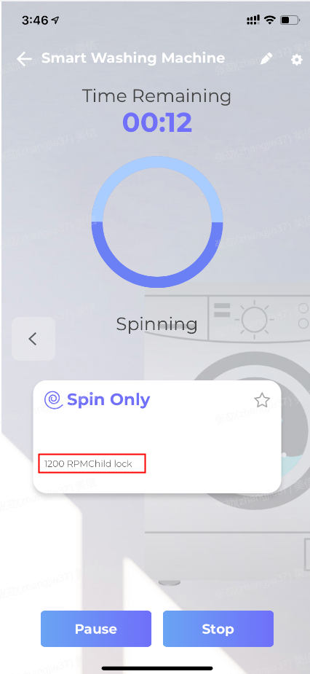 1. Start the Spin Only program with child lock enabled,check the APP shows | 2020-09-25 | Reopen at Oct 5th
35 | [Only on iOS APP] APP UI shows wrong when connect the washing machine successfully | 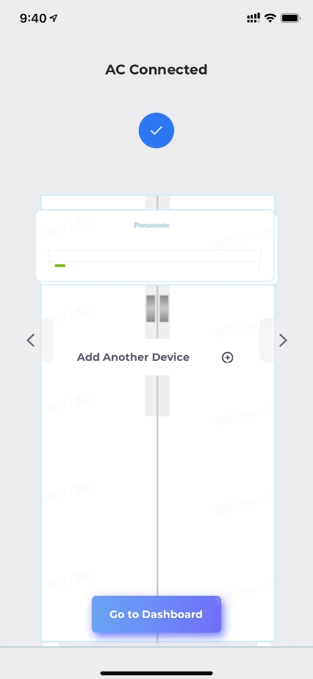 1. Connect the washing machine successfully and check the APP shows | 2020-09-25 | Closed
36 | APP shows wrong Rinse cycles if set up the ER on the front panel and start the program with ER enabled on APP | 1. Enabled the ER on the front panel 2. Enable the ER on program list page and start it from APP,check the APP shows(for eg. Choose the Active Speed and enable ER on the front panel, Start the Active Speed with ER enabled from APP, the APP shows right program time but wrong rinse cycle as 4, should be 3 ) | 2020-09-25 | Closed
37 | the washing machine will be offline if user doesn't use it for a long time | 1. connect the washing machine successfully and don't use it 2. keep it be idle for more than 3 hours,then check the APP (must to cut off power supply and reconnect it,then re-connect the washing machine to make it back online) | 2020-09-25 | Closed
38 | APP display remaining time different from front panel remaining time when wash is in progress(APP display remaining time always 1 or 2 minutes more than front panel) | 1. start each program,check the remaining time from app and front panel | 2020-08-21 | Reopen at Oct 5th
39 | [Only on iOS APP] Schedule the program with child lock enabled on customize page or the program list page, and then stop the wash, the program list shows the child lock enabled as default for the wash program | 1. Schedule the wash with child lock enabled on customize page or the program list page(for eg. Baby Care program),check the washing machine 2. Stop the wash and click "Start another program", check the Baby Care program on program list | 2020-09-27 | Closed
40 | [Only on iOS APP]The APP shows wrong status when the program is scheduled | 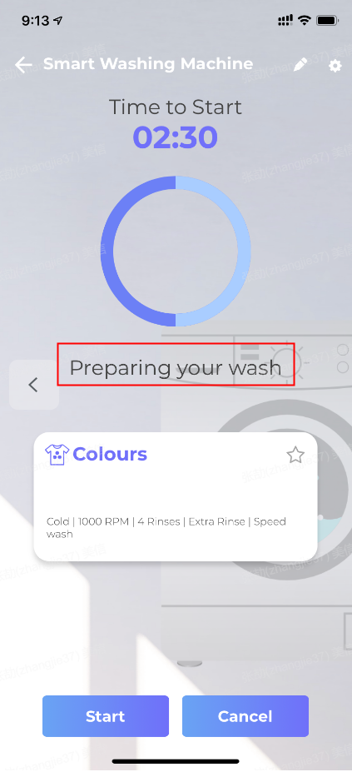 1.schedule the program and check the APP | 2020-09-27 | Closed
41 | the APP displays the remaining time still change while the washing machine is offline(Video has been sent to Pan Deng) | Start the wash, remove the wifi module, check the APP displays | 2020-09-04 | Closed
42 | There is no Drum clean on the front panel, and can't start Drum clean program from app | 1. Try to start Drum clean from the front panel 2. Try to start Drum clean from APP | 2020-08-22 | Closed
43 | APP doesn't show the Error information when the washing machine report error | 1. Close the inlet tap, then start Rapid 15 program from app 2. Wait till the washing machine report error indicating inlet water flow is slow, then check the APP | 2020-08-20 | Closed
44 | [Only on Android APP]The APP shows wrong status when the scheduled program is paused from front panel | 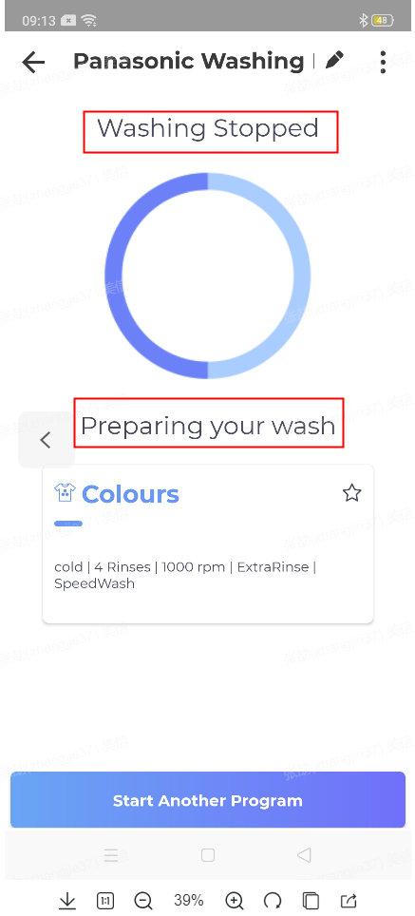 1.schedule the program and check the APP 2. pause the scheduled program on front panel | 2020-09-27 | Closed
45 | [Only on iOS APP] APP UI shows wrong status sometimes | 1. Start Jeans program and wait till spin stage,check the APP shows (APP still shows Rinse stage, it only update the stage after I resart the APP) | 2020-09-28 | Closed
46 | Memorized program doesn't appear in the list of programs in the app with the same customized settings | 1. Memorize the program from front-panel, check the APP | 2020-08-22 | Closed
47 | [Only on iOS APP] Schedule the program with child lock enabled on customize page or program list page, the program scheduled without child lock | 1. Schedule the program(for eg., Gentle Hand Wash) with child lock enabled on customize page or program list page,check the washing machine and the APP shows | 2020-09-29 | Closed
48 | [Only on iOS APP] Spin only program show 1 Rinse on customize page | Choose Spin Only and Check cutomize page | 2020-09-21 | Closed
49 | Start memorized program which is memorized as ER enabled from APP, the no of rinse shows wrong | 1. Memorize the program with the ER enabled from front panel 2. Start the memorized program from APP, check the APP shows | 2020-10-05 | Closed

